Charts
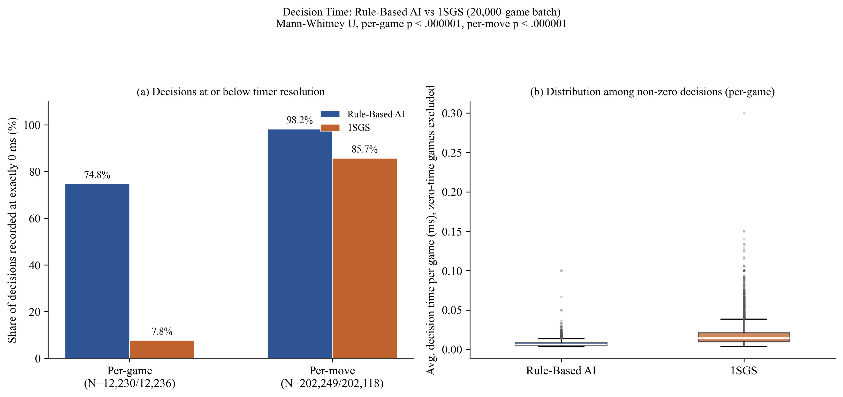
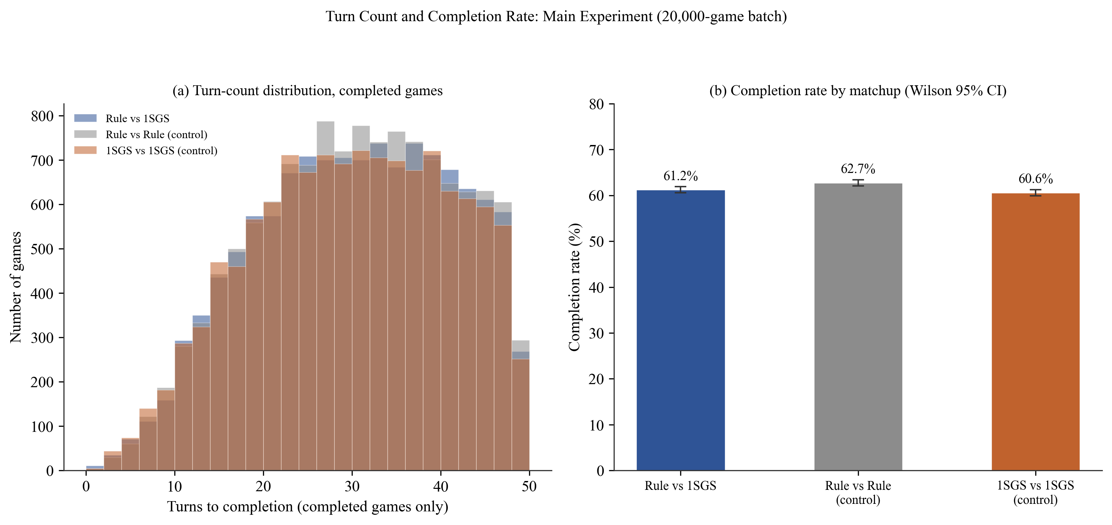
Figure. Decision time and turn-count charts (300 dpi, ready for insertion)

